Sheet1
 | Item# | Description | Case | PRICE | Amazon | ASIN#
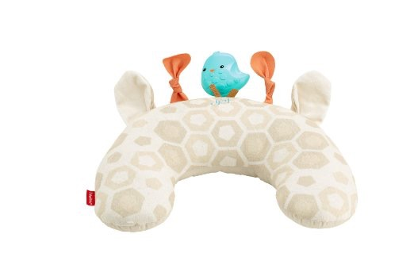 | DFP33 | Deluxe Vibe Tummy Wedge | 3 | $12.69 | $24.76 | B014D4I9I8
 | CGN90 | Musical Teething Turtle | 3 | $9.25 | $12.99 | B00T8VQ4C0
 | DLV18 | Smart Stages Scooter, Pink | 2 | $22.39 | $51.80 | B01EKL23G8
 | Y9849 | L&L Count & Color Gumball | 2 | $13.43 | $27.70 | B00BM2V52W
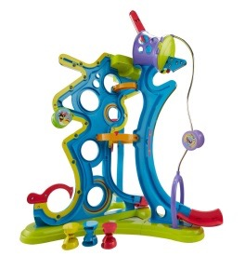 | CMN78 | Spinnyos Master Track | 2 | $16.42 | $34.79 | B00UKUCI6O
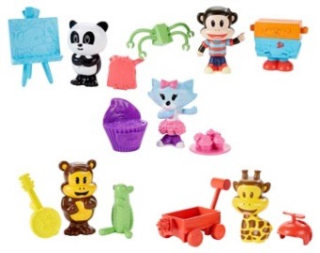 | BJD25 | Julius Jr. 3 Figs w/Accessories Assort | 6 | $2.24 | $7.91
 | BJG01 Assortment of: BJD25 | Fisher-Price Julius Jr. Figure Pack - Julius and Tool-Box-a-Lot | 2 |  | $7.91 | B00IWOSHRE
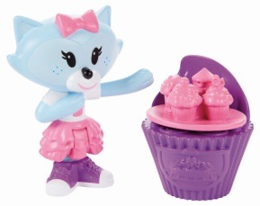 | BJG02 Assortment of: BJD25 | Fisher Price® Julius Jr. Sheree and Cookie the Oven | 1 |  | $4.00 | B00IWP9NK8
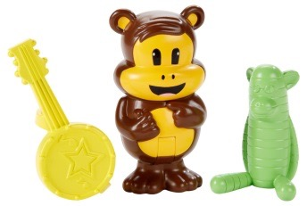 | BJG03 Assortment of: BJD25 | Fisher-Price Julius Jr. Figure Pack - Worry Bear and Sock Monkey | 1 |  | $8.20 | B00IWOSI00
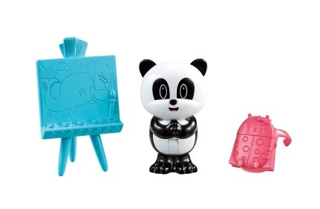 | BJG04 Assortment of: BJD25 | Fisher-Price Julius Jr. Figure Pack - Ping and Her Art Pack | 1 |  | $4.46 | B00IWOSHGA
 | BJG04 Assortment of: BJD25 | Fisher-Price Julius Jr. Figure Pack - Clancy and his Rocket Wagon | 1 |  | $8.40 | B00IWOSHLA
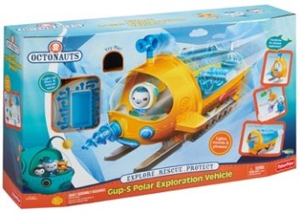 | BDL93 | Octonauts Gup S Polar Exploration Vehicle | 2 | $18.66 | $31.99 | B00KQKMIUO
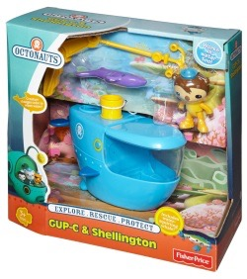 | W3144 | Octonauts Gup C | 6 | $8.96 | $26.82 | B008617TTA
 | Y1961 | Octonauts Gup E & Peso | 4 | $8.96 | $15.99 | B00AE5R2NO
 | Y9298 | Octonauts Gup B (Flying Fish Mode) | 4 | $8.96 | $14.88 | B00DJD93J4
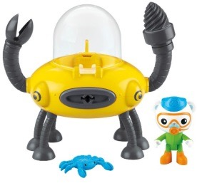 | Y9299 | Octonauts Claw & Drill Gup D | 6 | $8.96 | $14.99 | B00DJD49UW
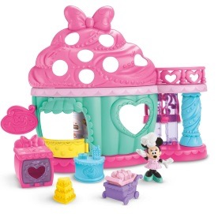 | CJG88 | Minnie's Bow-tiful Bake Shop | 3 | $9.70 | $18.13 | B00ST819EG
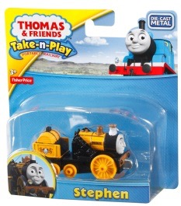 | Y2900 | Fisher Price Thomas the Train take and play Stephen | 6 | $3.36 | $7.99 | B00C58IAFC
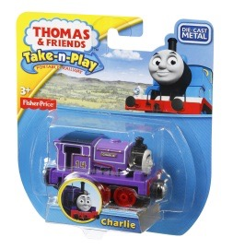 | CBL79 | TNP Charlie | 6 | $2.61 | $7.05 | B00JRYH3TG
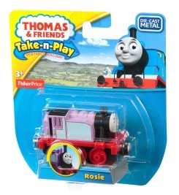 | CCK06 | TNP Rosie | 6 | $3.28 | $9.88 | B00RAG7TAQ
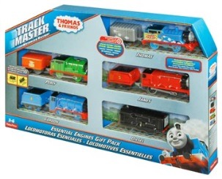 | CCP25i | TM Thomas Essentials Engines Gift Pack | 4 | $20.90 | $89.95 | B00O1LS2J0

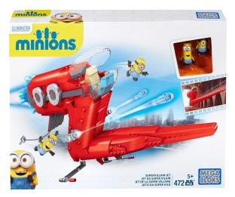 | CNF60 | MEGABLOKS® Minion Movie Supervillian Jet | 4 | $11.19 | $17.81 | B00U29M59I
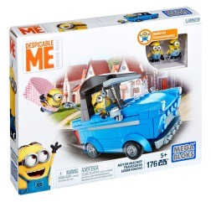 | DKT69 | Mega Despicable Me Motor Mischief | 5 | $8.96 | $19.99 | B015CPT37I
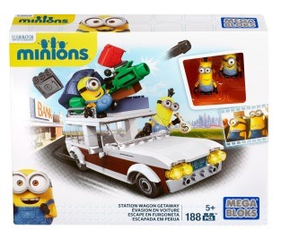 | CNF56 | Mega Minion Movie Station Wagon Getaway | 5 | $6.72 | $11.98 | B00U29M5FC
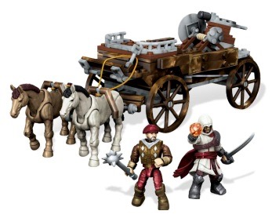 | CNG12 | Assasins Creed CHARIOT CHASE | 5 | $10.45 | $23.49 | B00U26LGBY
 | CDH53 | Ever After High Kitty Cheshire | 4 | $7.46 | $14.99 | B00OCLA5GM

